Questions_Copy
Scores/Marks Details
Maximum marks - 100
The split of the marks is as follows:
Data Modelling - 20 marks
Overview - 40 marks
1.Sum of unit sold card visual, sum of unit price card visual, Region slicer visual - 15 marks
2. sum of unit price by country and state - 15 marks
3. sum of unit price by country(top 5 country) - 10 marks

Deep Dive - 40 marks
1. sum of units sold & sum of product cost by country & region - 15 marks
2. sum of product cost by sales & region- 15 marks
3. sum of product cost by Month - 10 marks

Create the below views in Power BI desktop

Data Modelling:
Establish the below relationships between the different dataset.
Sales_rep and Sales cardinality is One: Many, Cross direction filter is single
Sales and Customer the cardinality is 1:1, Cross direction filter is both
Customer and Product the cardinality is 1:1, Cross direction filter is both
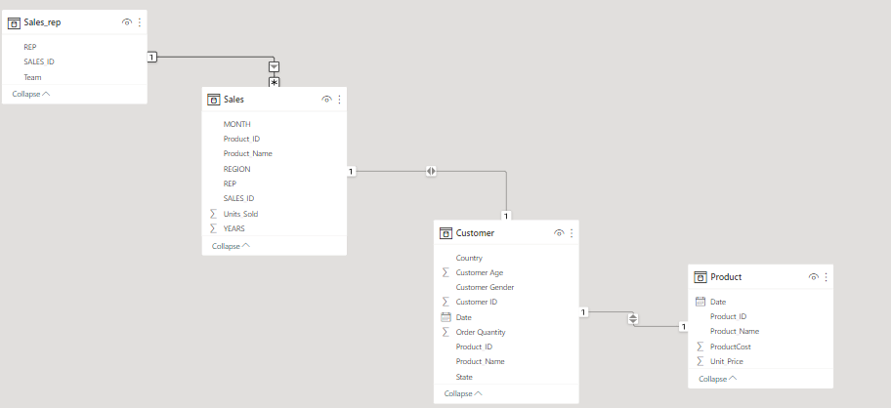

Overview: Gives the overall picture of Sales globally.

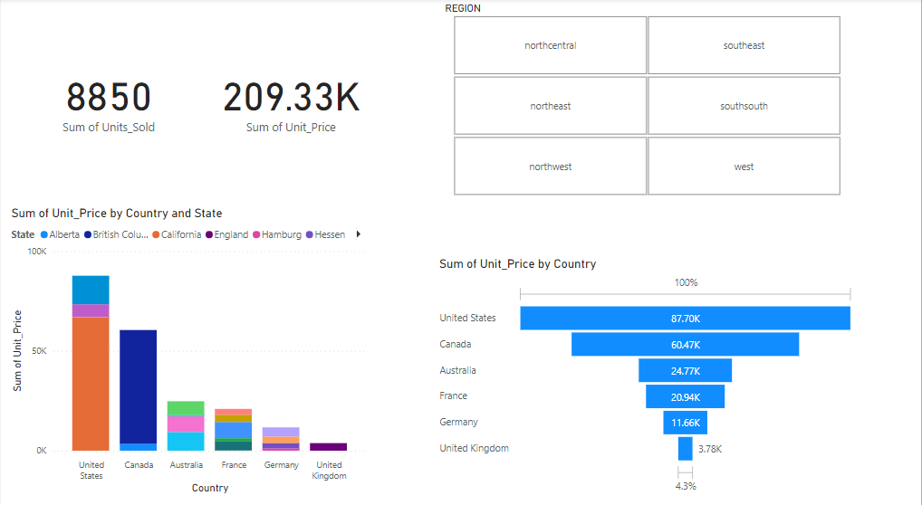

Functionality required

Create two cards, one should display the sum of units_ sold and the second one should show the sum of unit_price.

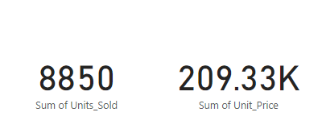

Create a regionslicer to see the filter out the data when a specific region is selected

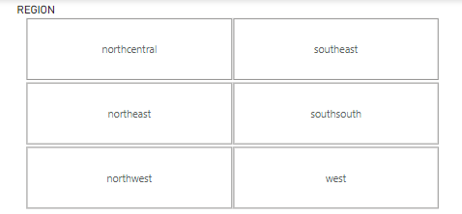

Create a stacked column chart displaying the sum of unit_price by country level
Place Country on x-Axis, State on Legend and sum of unit_price on Y-axis
The color of the stacked bars should represent the state information

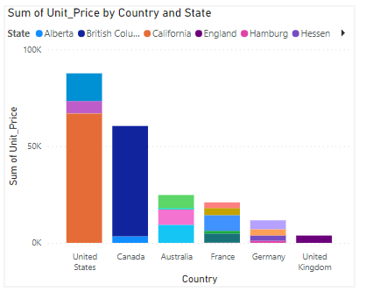

Create a Funnel chart to display the top 5 countries by sum of unit_price
Place country to category & sum of unit_price to values

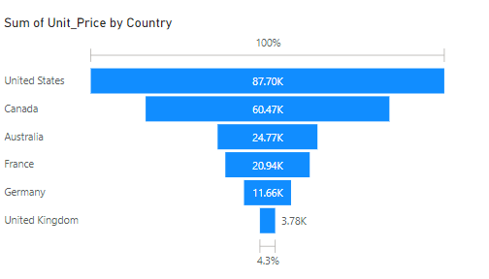

Deepdive : Sum of productcost Analysis

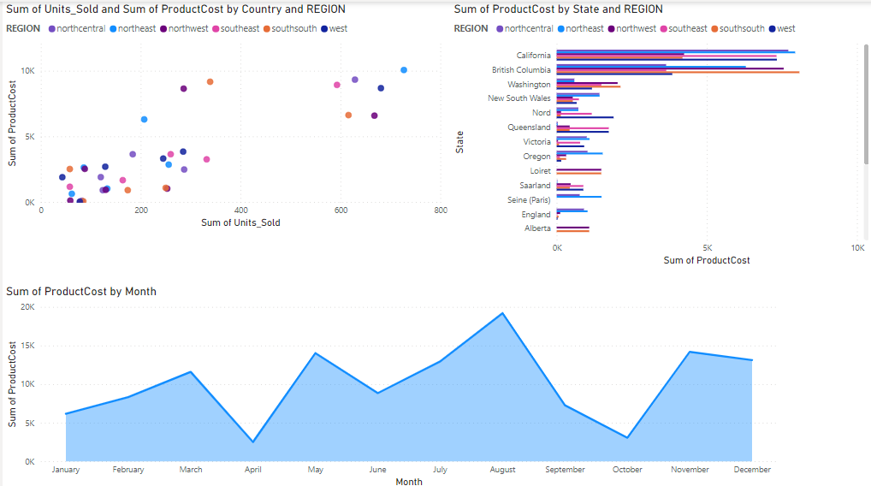

Functionality required

Create a scatter plot by dropping sum of units_sold on X-axis and sum of productcost on Y-axis
Drop Region to legends to see the distribution region wise
Change the colors of the legends using the formating options

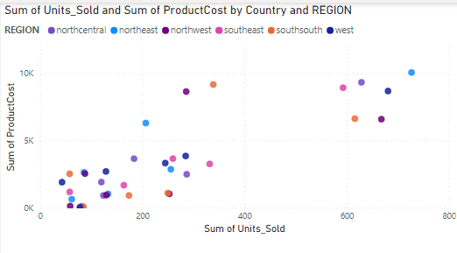

Create a clustered bar chart with state on y-Axis , sum of productcost on x-axis, Region on Legend

Use formatting to change colors, display number on the bars and add borders to the window

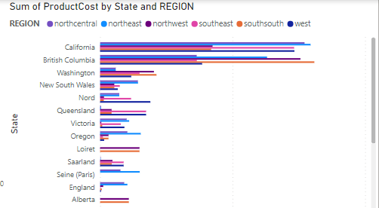

Create a Area chart to display sum of productcost by month by dropping Month to x-Axis and sum of productcost to y-axis

Please take a screenshot of the output and put in Word file and upload the same under LMS.

